Sheet1
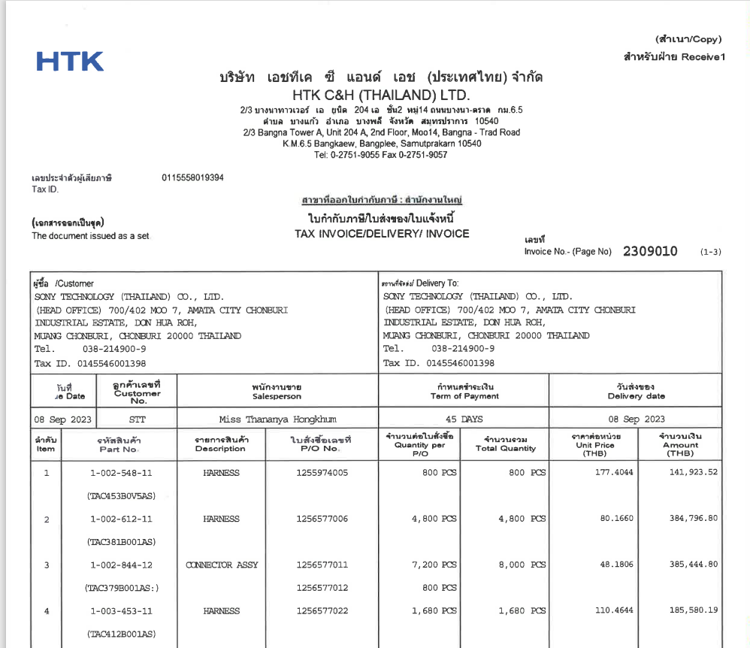

INVOICE_NO

ITEM_NO
UNIT_PRICE
PO_NO
QTY
AMOUNT

